Start here
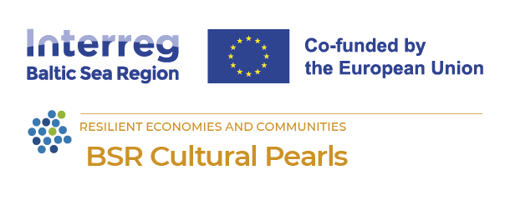 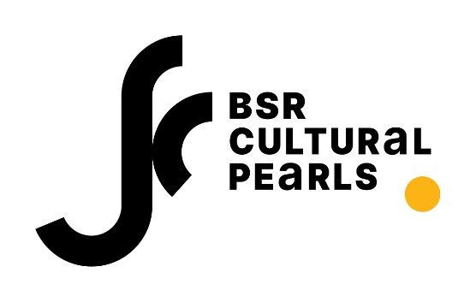
Self-Assessment Tool – Quick Guide for Cultural Pearls
Purpose The Self-Assessment Tool helps Cultural Pearls track progress and learn from experience when implementing Culture and Resilience Action Plans (CuReAPs). It is designed to: - Measure achievements in Community Development, Health & Well-being, and Innovation Capacity. - Provide clear insights for improving strategies. - Support benchmarking and peer learning across municipalities. Before you start: Pick your priorities: Select outcomes that match your community’s needs. Important: You do not need to work on all outcomes. Choose what matters most for your community and focus on those. Customize your dashboard: Hide indicators you won’t use and focus on your chosen outcomes. Why this matters: Keeps your work focused and realistic. Helps measure what you planned to achieve - not everything in the framework. Encourages continuity beyond the award year. Builds capacity for monitoring and learning. Supports peer exchange and advocacy with solid evidence.
Step 1: Prepare Gather your CuReAP, activity reports, participation data, and community feedback. Organize a short team meeting (include mentors if possible). Step 2: Fill in the Assessment Form For each outcome selected: Score 1–5 (1 = very low, 5 = fully achieved). Add a short reflection. Use plain language and real examples - they make your results meaningful. Step 3: Check the Dashboard See average scores per dimension. Color-coded interpretation: Strong (≥4) Moderate (3–3.9) Needs Attention (<3) Compare with previous cycles or other Pearls (if benchmarking is possible). Step 4: Interpret and Act Low scores? → Look at tips in the Practical Guide (e.g., co-creation, inclusive spaces). Moderate scores? → Plan improvements for next cycle. Multiple “Needs Attention”? → Ask for mentor support and resources. Step 5: Plan Next Steps Use the summary sheet to spot priorities. Share results internally and with mentors. Integrate findings into future plans and budgets.

